Instructions
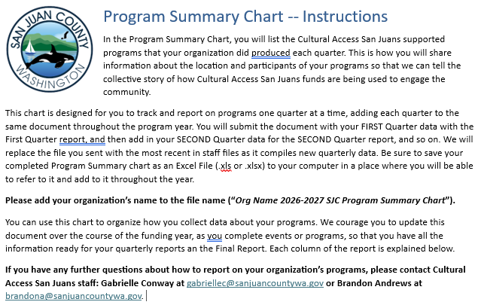
Columns A- E: Program/Event Overview
Column | Question | Details
Column A | Name of Program | List the name of the program or event, as it was advertised to the public. If you had a program that included a series of events, you can consolidate them all on one line.
Column B | Program Type | Use the pull-down menu to indicate the program type. Youth Education Programs are classes or workshops that are exclusively for youth under the age of 18; all other public programs would be General Public Programs.
Column C | Public School Partnership? | Did you collaborate with a San Juan County school district to produce this program? Or held onsite at a school?
Column D | Event Location | Enter the Event location, Name, Street address, and zip code. Enter only one location per row.
Column E | Collaboration? | List any Cultural Access San Juans funded organizations that you collaborated with to produce this event.
Columns G- Y: Frequency, Participation, and Access (Quarter by Quarter)
The columns for Frequency, Participation, and Access are organized by quarter, across the page from left to right. Columns G-K are for the First Quarter, and then the same questions repeat in columns L-P for the Second Quarter and Q-U for the Third Quarter. You may have some rows with Frequency, Participation, and Access data in only on quarter and you may have some rows with data in all four quarters, depending on the program/event. You can collapse(hide) the columns foreach quarter by clicking on the +/- symbol above columns K, P,U, & X.
Column | Question | Details
Column G | Total Number of Days | Enter the total number of day s on which this program event happened. Example: If you have a weekly reoccurring event you would enter 13 for the first quarter. If you are hosting a one day festival or performance you enter 1.
Column H | Number of Attendees | Enter the total number of in-person attendees. If you don't know the exact number, you may provide an estimate. If you did not have any in-person attendees, you may list 0.
Column I | Free for All Participants? | Select "yes" or "no" on the pull-down menu to indicate whether your program was free for all participants.
Column J | Financial Access | This question identifies programs at which a significant number of attendees used a significant discount to attend. Use the pull down menu to select the approximate percentage of attendees who attended this event at a discount of at least 25%. For example, if your event had 100 attendees, and 30 people used half-off passes, and 10 people attended for free, you would select "40%". If you selected "yes" on the previous question, and everyone attended for free, SKIP this column.
Column K | Collapse the Quarter | At the top of the page, there is a minus sign, floating directly above this column. Click that symbol to collapse all the information from the quarter. To re-expand, click the plus symbol.
Columns AA: Notes
Column | Question | Details
Column A | Name of Program | If you have anything you would like to clarify about the data shared, or have any additional comments, you may explain here.

